Sheet1
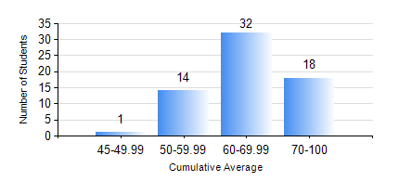
 |  |  | KWAME NKRUMAH UNIVERSITY OF SCIENCE AND TECHNOLOGY, KUMASI Department of Computer Engineering

 |  |  | BSC. BIOMEDICAL ENG.

 |  |  | COMPREHENSIVE RECORD OF EXAMINATION RESULTS

 |  |  | RESULTS OF YEAR 4 FIRST SEMESTER, 2024/2025 ACADEMIC YEAR

 | Sn | Course Code |  | Course Name | Credit Hours | Min. Mark | Max. Mark | Avg. Mark | Std. Dev. | No. Passed | No. Trailed | No. (Df) | No. (I) | No. (I*) | No. Tagged(I,I*,Df) | Total
 | 0. |  |  |  |  |  |  | 0 | 0 | 0 | 0 | 0 | 0 | 0 | 0 | 3
 | 1. | BME 451 |  | MEDICAL IMAGING II | 3 | 43 | 75 | 62 | 7.69 | 62 | 0 | 0 | 0 | 0 | 0 | 62
 | 2. | BME 461 |  | BIOMECHANICS I | 3 | 40 | 86 | 67 | 9.98 | 62 | 0 | 0 | 0 | 0 | 0 | 62
 | 3. | BME 463 |  | BIOMATERIALS II | 3 | 40 | 86 | 60 | 9.95 | 62 | 0 | 0 | 0 | 0 | 0 | 62
 | 4. | BME 471 |  | BIOINSTRUMENTATION II | 3 | 49 | 88 | 67 | 8.9 | 62 | 0 | 0 | 0 | 0 | 0 | 62
 | 5. | BME 497 |  | PROJECT I | 3 | 64 | 87 | 78 | 5.4 | 62 | 0 | 0 | 0 | 0 | 0 | 62
 | 6. | BME 499 |  | VACATION TRAINING | 2 | 70 | 76 | 72 | 1.55 | 62 | 0 | 0 | 0 | 0 | 0 | 62
 | 7. | ME 491 |  | ENGINEERING ECONOMICS AND MANAGEMENT | 2 | 46 | 82 | 68 | 8.64 | 62 | 0 | 0 | 0 | 0 | 0 | 62

